Bug Report
BUG_ID | Descrption/Summery | Steps to Reproduce | Expected Result | Actual result | Severity | Priority | Screenshot
OpenCart_BUG1 | User is not able to create account by providing all madatory fields | 1.click on My account Menu | 1.Account will be created and successful message will appear | "Warning: You must agree to the Privacy Policy | Major | P0 | 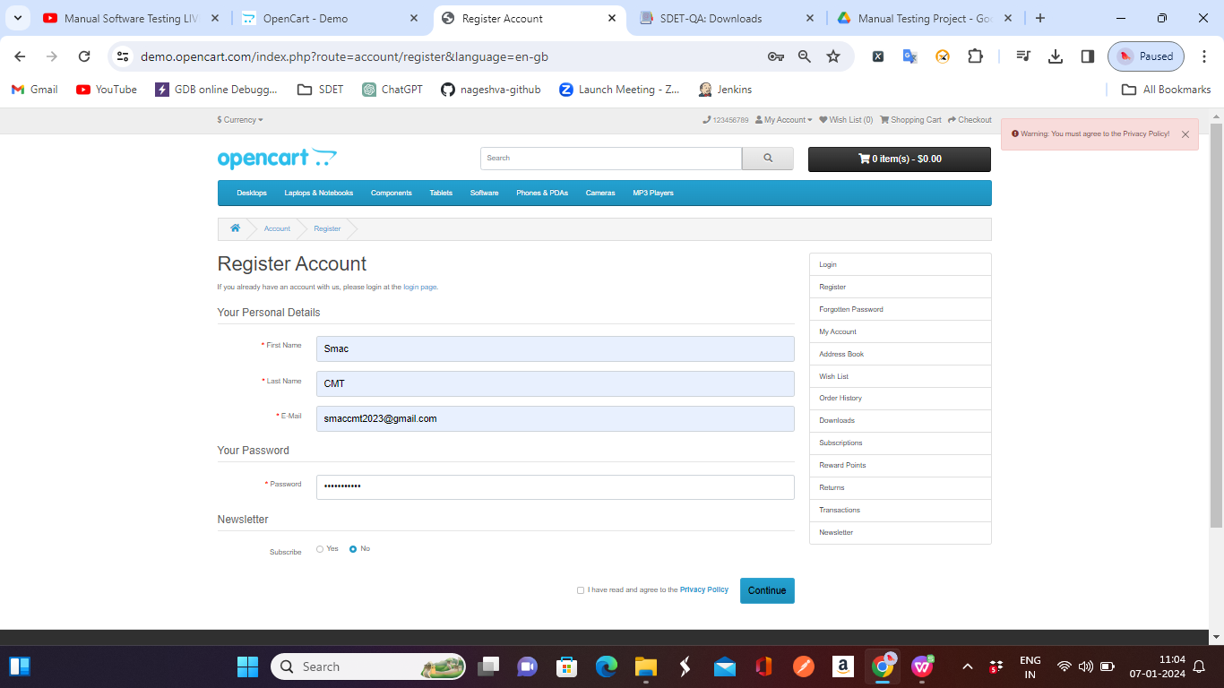
 |  | 2.Click on register button
 |  | 3.Fill all the mandatory fileds marked with *
 |  | 4.cliick on continue[ER1]

OpenCart_BUG2 | User is able to create account by providing weak password | 1.click on My account Menu | Account should not create | Account success | Major | P0 | 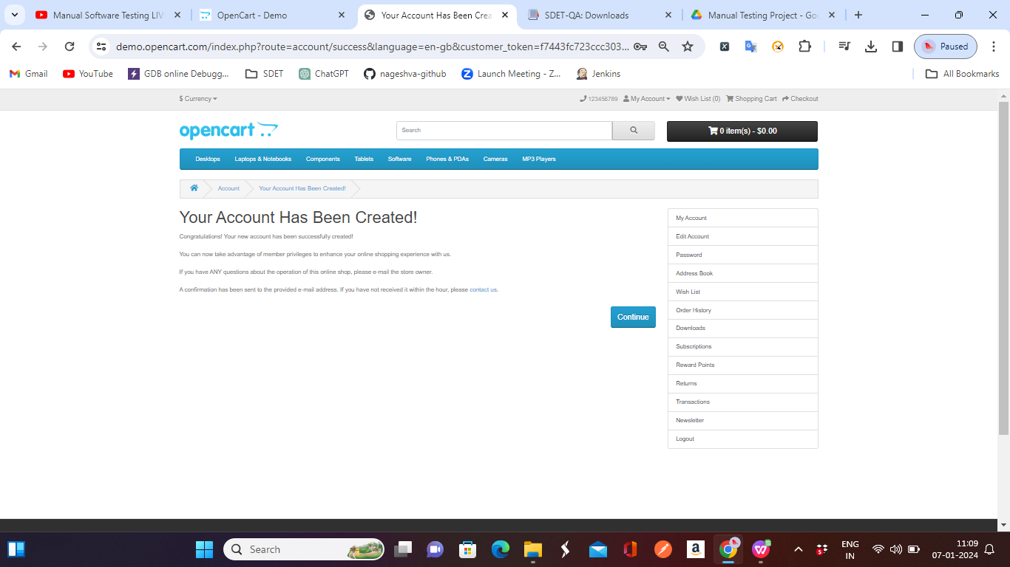
 |  | 2.Click on register button
 |  | 3.Fill all the mandatory fileds marked with * with waek password
 |  | 4.cliick on privacy check box
 |  | 5.clik on continue[ER1]

